If you have any questions
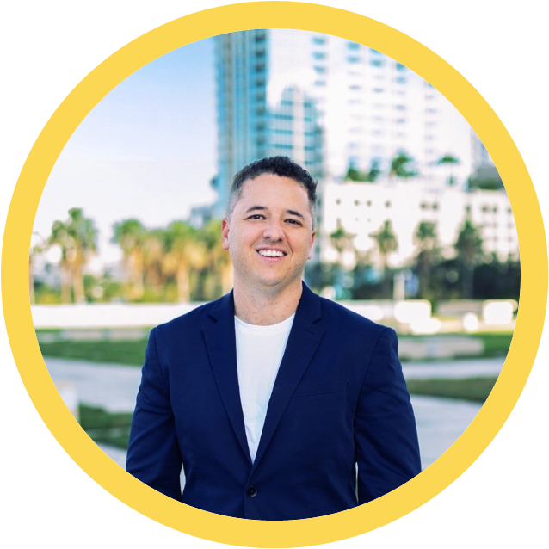
Drop me an email!

Sean Higgins
Shiggins@integrumresources.com
Senior Vice President of Development

